Sheet2
Row Labels | Count of Round
1930 | 18
1934 | 17
1938 | 18
1950 | 22
1954 | 26
1958 | 35
1962 | 32
1966 | 32 |  |  |  |  |  | Row Labels | Sum of TotalGoals
1970 | 32 |  |  |  |  |  | 1930 | 70
1974 | 38 |  |  |  |  |  | 1934 | 70
1978 | 38 |  |  |  |  |  | 1938 | 84
1982 | 52 |  |  |  |  |  | 1950 | 88
1986 | 52 |  |  |  |  |  | 1954 | 140
1990 | 52 |  |  |  |  |  | 1958 | 126
1994 | 52 |  |  |  |  |  | 1962 | 89
1998 | 64 |  |  |  |  |  | 1966 | 89
2002 | 64 | Row Labels | Sum of Number of Finals played |  |  |  | 1970 | 95
2006 | 64 | Argentina | 5 |  |  |  | 1974 | 97
2010 | 64 | Brazil | 6 |  |  |  | 1978 | 102
2014 | 77 | Czechoslovakia | 2 |  |  |  | 1982 | 146
Grand Total | 849 | England | 1 |  |  |  | 1986 | 132
 |  | France | 2 |  |  |  | 1990 | 115
 |  | Germany | 2 |  |  |  | 1994 | 141
 |  | Germany FR | 6 | Row Labels | Sum of Number of Semis apps |  | 1998 | 171
 |  | Hungary | 2 | Chile | 1 |  | 2002 | 161
 |  | Italy | 6 | Croatia | 1 |  | 2006 | 147
 |  | Netherlands | 3 | Belgium | 1 |  | 2010 | 145
 |  | Spain | 1 | USA | 1 |  | 2014 | 197
 |  | Sweden | 1 | Spain | 1 |  | Grand Total | 2405
 |  | Uruguay | 1 | Poland | 1
 |  | Grand Total | 38 | Bulgaria | 1
 |  |  |  | Soviet Union | 1
 |  |  |  | Yugoslavia | 2
 |  |  |  | Portugal | 2
 |  |  |  | Hungary | 2
 |  |  |  | England | 2 |  |  | Row Labels | Average of TotalGoals
 |  |  |  | Czechoslovakia | 2 |  |  | Semi-finals | 3.6176470588
 |  | Row Labels | Sum of TotalGoals | Korea Republic | 2 |  |  | Grand Total | 3.6176470588
 |  | Semi-finals | 123 | Netherlands | 3
 |  | Grand Total | 123 | Sweden | 3
 |  |  |  | Austria | 3
 |  |  |  | Uruguay | 4
 |  |  |  | Argentina | 5
 |  |  |  | France | 5
 |  |  |  | Germany | 6
 |  |  |  | Germany FR | 7
 |  |  |  | Italy | 7
 |  |  |  | Brazil | 9
 |  |  |  | Grand Total | 72
 |  |  |  |  |  |  | Row Labels | Sum of TotalGoals
 |  |  |  |  |  |  | Quarter-finals | 180
 |  |  |  |  |  |  | Grand Total | 180

 |  |  |  | Row Labels | Average of TotalGoals
 |  |  |  | Quarter-finals | 2.7272727273
 |  |  |  | Grand Total | 2.7272727273 |  |  | Row Labels | Sum of TotalGoals
 |  |  |  |  |  |  |  | Final | 68
 |  |  |  |  |  |  |  | Grand Total | 68

 |  |  |  |  |  |  |  |  | Row Labels | Average of TotalGoals
 |  |  |  |  |  |  |  |  | Final | 3.5789473684
 |  |  |  |  |  |  |  |  | Grand Total | 3.5789473684

 |  |  |  |  | Row Labels | Count of Round
 |  |  |  |  | First round | 9
 |  |  |  |  | Group 1 | 62
 |  |  |  |  | Group 2 | 59
 |  |  |  |  | Group 3 | 56
 |  |  |  |  | Group 4 | 55
 |  |  |  |  | Group 5 | 6
 |  |  |  |  | Group 6 | 12
 |  |  |  |  | Group A | 60
 |  |  |  |  | Group B | 60
 |  |  |  |  | Group C | 48
 |  |  |  |  | Group D | 48
 |  |  |  |  | Group E | 48
 |  |  |  |  | Group F | 48
 |  |  |  |  | Group G | 30
 |  |  |  |  | Group H | 30
 |  |  |  |  | Match for third place | 15
 |  |  |  |  | Play-off for third place | 2
 |  |  |  |  | Preliminary round | 8
 |  |  |  |  | Round of 16 | 72
 |  |  |  |  | Grand Total | 728

Dashboard
FIFA WORLD CUP ANALYSIS FIFA WORLD CUP ANALYSIS

Total World Cup Matches Played Between 1930 and 2014
 | Total
1930 | 18
1934 | 17
1938 | 18
1950 | 22
1954 | 26
1958 | 35
1962 | 32
1966 | 32
1970 | 32
1974 | 38
1978 | 38
1982 | 52
1986 | 52
1990 | 52
1994 | 52
1998 | 64
2002 | 64
2006 | 64
2010 | 64
2014 | 77
Total Quarter Final Goals
 | Total
Quarter-finals | 180
Average Goals Per Quarter Final Game
 | Total
Quarter-finals | 2.7272727273

Teams and Number of Times in Finals
 | Total
England | 1
Uruguay | 1
Sweden | 1
Spain | 1
Germany | 2
Hungary | 2
Czechoslovakia | 2
France | 2
Netherlands | 3
Argentina | 5
Germany FR | 6
Brazil | 6
Italy | 6
Total Semi Final Goals
 | Total
Semi-finals | 123
Average Goals Per Semi Final Game
 | Total
Semi-finals | 3.6176470588

Teams and Number of Times in Semi Finals
 | Total
Croatia | 1
USA | 1
Poland | 1
Bulgaria | 1
Soviet Union | 1
Belgium | 1
Spain | 1
Chile | 1
Turkey | 1
Hungary | 2
Portugal | 2
Korea Republic | 2
Yugoslavia | 2
England | 2
Czechoslovakia | 2
Austria | 3
Sweden | 3
Netherlands | 3
Uruguay | 4
Argentina | 5
France | 5
Germany | 6
Germany FR | 7
Italy | 7
Brazil | 9
Total Final Goals
 | Total
Final | 68
Average Goals Per Final Game
 | Total
Final | 3.5789473684

FIFA WORLD CUP ANALYSIS FIFA WORLD CUP ANALYSIS

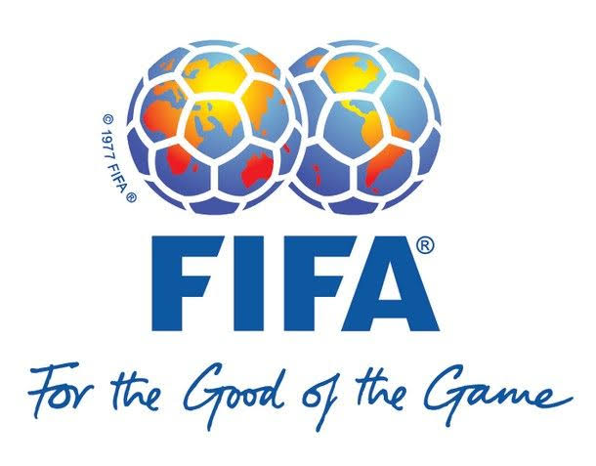
Matches Played Outside Quarter Finals and Above
 | Total
First round | 9
Group 1 | 62
Group 2 | 59
Group 3 | 56
Group 4 | 55
Group 5 | 6
Group 6 | 12
Group A | 60
Group B | 60
Group C | 48
Group D | 48
Group E | 48
Group F | 48
Group G | 30
Group H | 30
Preliminary round | 8
Round of 16 | 72
Total Goals Scored For Each Year
 | Total
1930 | 70
1934 | 70
1938 | 84
1950 | 88
1954 | 140
1958 | 126
1962 | 89
1966 | 89
1970 | 95
1974 | 97
1978 | 102
1982 | 146
1986 | 132
1990 | 115
1994 | 141
1998 | 171
2002 | 161
2006 | 147
2010 | 145
2014 | 197

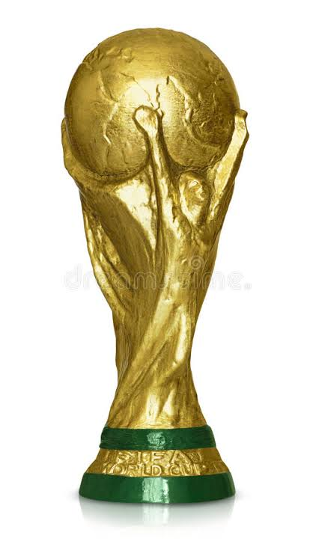

0

